Raw
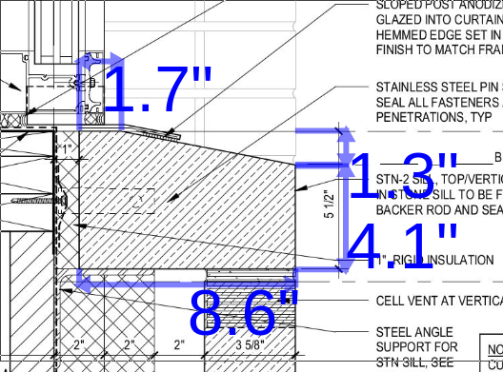
Temp key | Area | Profile | Qty | L | W | T | Special? | ID | CUFT | KEY | Profile | Description
1 | north wall | p1 | 2 | 26.75 | 15.625 | 3.625 |  | p1-26.75-15.625-3.625 | 1.75 |  | p1 | rectangle 1 (3.625")
2 | north wall | p1 | 2 | 15.125 | 15.625 | 3.625 |  | p1-15.125-15.625-3.625 | 0.99 |  | p2 | rectangle w/ chamfer
3 | north wall | p1 | 2 | 26.75 | 7.625 | 3.625 |  | p1-26.75-7.625-3.625 | 0.86 |  | p3 | sill
4 | north wall | p1 | 2 | 15.125 | 7.625 | 3.625 |  | p1-15.125-7.625-3.625 | 0.48 |  | p4 | rectangle 2 (1")
5 | ne wall | p1 | 1 | 47.125 | 4.25 | 3.625 |  | p1-47.125-4.25-3.625 | 0.42
6 | ne wall | p1 | 1 | 30.125 | 4.25 | 3.625 |  | p1-30.125-4.25-3.625 | 0.27
7 | ne wall | p1 | 13 | 47.125 | 15.625 | 3.625 |  | p1-47.125-15.625-3.625 | 20.08
8 | ne wall | p1 | 13 | 30.125 | 15.625 | 3.625 |  | p1-30.125-15.625-3.625 | 12.84
9 | ne wall | p1 | 22 | 38.75 | 15.625 | 3.625 |  | p1-38.75-15.625-3.625 | 27.94
10 | ne wall | p1 | 22 | 38.5 | 15.625 | 3.625 |  | p1-38.5-15.625-3.625 | 27.76
11 | ne wall | p1 | 1 | 38.75 | 12 | 3.625 |  | p1-38.75-12-3.625 | 0.98
12 | ne wall | p1 | 1 | 38.5 | 12 | 3.625 |  | p1-38.5-12-3.625 | 0.97
13 | ne wall | p1 | 1 | 30.375 | 3.25 | 3.625 |  | p1-30.375-3.25-3.625 | 0.21
14 | ne wall | p1 | 1 | 46.875 | 3.25 | 3.625 |  | p1-46.875-3.25-3.625 | 0.32
15 | ne wall | p1 | 15 | 30.375 | 15.625 | 3.625 |  | p1-30.375-15.625-3.625 | 14.93
16 | ne wall | p1 | 15 | 46.875 | 15.625 | 3.625 |  | p1-46.875-15.625-3.625 | 23.05
17 | ne wall | p1 | 6 | 25 | 15.625 | 3.625 |  | p1-25-15.625-3.625 | 4.92
18 | ne wall | p1 | 6 | 52.25 | 15.625 | 3.625 |  | p1-52.25-15.625-3.625 | 10.28
19 | ne wall | p1 | 1 | 25 | 9.375 | 3.625 |  | p1-25-9.375-3.625 | 0.49
20 | ne wall | p1 | 1 | 52.25 | 9.375 | 3.625 |  | p1-52.25-9.375-3.625 | 1.03
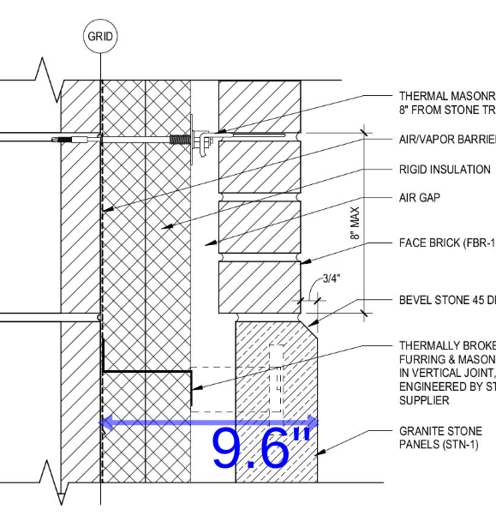
21 | se wall | p1 | 28 | 60 | 15.625 | 3.625 |  | p1-60-15.625-3.625 | 55.07
22 | se wall | p1 | 40 | 17.25 | 15.625 | 3.625 |  | p1-17.25-15.625-3.625 | 22.62
23 | se wall | p1 | 12 | 42 | 15.625 | 3.625 |  | p1-42-15.625-3.625 | 16.52
24 | s wall a | p1 | 1 | 42 | 14.625 | 3.625 |  | p1-42-14.625-3.625 | 1.29
25 | s wall a | p1 | 1 | 17.25 | 14.625 | 3.625 |  | p1-17.25-14.625-3.625 | 0.53
26 | s wall a | p1 | 2 | 30.5 | 15.625 | 3.625 |  | p1-30.5-15.625-3.625 | 2.00
27 | s wall a | p1 | 2 | 28.75 | 15.625 | 3.625 |  | p1-28.75-15.625-3.625 | 1.88
28 | s wall a | p1 | 4 | 19 | 15.625 | 3.625 |  | p1-19-15.625-3.625 | 2.49
29 | s wall a | p1 | 4 | 40.25 | 15.625 | 3.625 |  | p1-40.25-15.625-3.625 | 5.28
30 | s wall a | p1 | 1 | 19 | 14.625 | 3.625 |  | p1-19-14.625-3.625 | 0.58
31 | s wall a | p1 | 1 | 40.25 | 14.625 | 3.625 |  | p1-40.25-14.625-3.625 | 1.23
32 | s wall a | p1 | 13 | 17.625 | 15.625 | 3.625 |  | p1-17.625-15.625-3.625 | 7.51
33 | s wall a | p1 | 11 | 59.625 | 15.625 | 3.625 |  | p1-59.625-15.625-3.625 | 21.50
34 | s wall a | p1 | 2 | 19.625 | 15.625 | 3.625 |  | p1-19.625-15.625-3.625 | 1.29
35 | s wall a | p1 | 1 | 17.625 | 3.625 | 3.625 |  | p1-17.625-3.625-3.625 | 0.13
36 | s wall a | p1 | 1 | 19.625 | 3.625 | 3.625 |  | p1-19.625-3.625-3.625 | 0.15
37 | s wall a | p1 | 1 | 17.625 | 6 | 3.625 |  | p1-17.625-6-3.625 | 0.22
38 | s wall a | p1 | 1 | 19.625 | 6 | 3.625 |  | p1-19.625-6-3.625 | 0.25
39 | s wall b | p1 | 5 | 37.625 | 15.625 | 3.625 |  | p1-37.625-15.625-3.625 | 6.17
40 | s wall b | p1 | 1 | 37.625 | 11.25 | 3.625 |  | p1-37.625-11.25-3.625 | 0.89
41 | s wall b | p1 | 1 | 37.625 | 4 | 3.625 |  | p1-37.625-4-3.625 | 0.32
42 | s wall b | p1 | 2 | 37.625 | 7.625 | 3.625 |  | p1-37.625-7.625-3.625 | 1.20
43 | s wall c | p1 | 4 | 17.625 | 7.938 | 3.625 |  | p1-17.625-7.938-3.625 | 1.17
44 | s wall c | p1 | 4 | 19.625 | 7.938 | 3.625 |  | p1-19.625-7.938-3.625 | 1.31
45 | s wall c | p1 | 14 | 17.625 | 15.625 | 3.625 |  | p1-17.625-15.625-3.625 | 8.09
46 | s wall c | p1 | 28 | 19.625 | 15.625 | 3.625 |  | p1-19.625-15.625-3.625 | 18.01
47 | s wall c | p1 | 2 | 19.625 | 14.813 | 3.625 |  | p1-19.625-14.813-3.625 | 1.22
48 | s wall d | p1 | 2 | 37.625 | 15.625 | 3.625 |  | p1-37.625-15.625-3.625 | 2.47
49 | s wall d | p1 | 1 | 37.625 | 8 | 3.625 |  | p1-37.625-8-3.625 | 0.63
50 | s wall d | p1 | 1 | 37.625 | 11.625 | 3.625 |  | p1-37.625-11.625-3.625 | 0.92
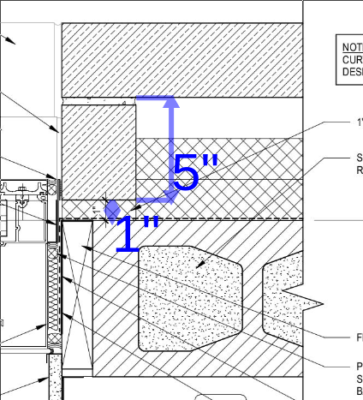
51 | s wall e | p1 | 1 | 17.625 | 7.625 | 3.625 |  | p1-17.625-7.625-3.625 | 0.28
52 | s wall e | p1 | 1 | 19.625 | 7.625 | 3.625 |  | p1-19.625-7.625-3.625 | 0.31
53 | s wall e | p1 | 19 | 17.625 | 15.625 | 3.625 |  | p1-17.625-15.625-3.625 | 10.98
54 | s wall e | p1 | 19 | 19.625 | 15.625 | 3.625 |  | p1-19.625-15.625-3.625 | 12.22
55 | w wall | p1 | 1 | 37.625 | 9.438 | 3.625 |  | p1-37.625-9.438-3.625 | 0.74
56 | w wall | p1 | 8 | 37.625 | 15.625 | 3.625 |  | p1-37.625-15.625-3.625 | 9.87
57 | w wall | p1 | 2 | 37.625 | 11.625 | 3.625 |  | p1-37.625-11.625-3.625 | 1.84
 |  |  |  |  |  |  |  | --- | 0.00
58 | ne wall | p2 | 1 | 4.25 | 4.125 | 3.625 |  | p2-4.25-4.125-3.625 | 0.04
59 | ne wall | p2 | 34 | 15.625 | 4.125 | 3.625 |  | p2-15.625-4.125-3.625 | 4.60
60 | ne wall | p2 | 1 | 3.25 | 4.125 | 3.625 |  | p2-3.25-4.125-3.625 | 0.03
61 | ne wall | p2 | 1 | 9.375 | 4.125 | 3.625 |  | p2-9.375-4.125-3.625 | 0.08 |  | 101
62 | se wall | p2 | 28 | 15.625 | 4.125 | 3.625 |  | p2-15.625-4.125-3.625 | 3.79
63 | s wall a | p2 | 13 | 15.625 | 4.125 | 3.625 |  | p2-15.625-4.125-3.625 | 1.76
64 | s wall a | p2 | 1 | 3.625 | 4.125 | 3.625 |  | p2-3.625-4.125-3.625 | 0.03
65 | s wall a | p2 | 1 | 6 | 4.125 | 3.625 |  | p2-6-4.125-3.625 | 0.05
66 | s wall b | p2 | 1 | 15.625 | 4.125 | 3.625 | * | p2-15.625-4.125-3.625* | 0.14 | BM
67 | s wall b | p2 | 1 | 11.25 | 4.125 | 3.625 |  | p2-11.25-4.125-3.625 | 0.10
68 | s wall b | p2 | 1 | 7.625 | 4.125 | 3.625 |  | p2-7.625-4.125-3.625 | 0.07
69 | s wall b | p2 | 1 | 15.625 | 4.125 | 3.625 |  | p2-15.625-4.125-3.625 | 0.14
70 | s wall c | p2 | 1 | 7.938 | 4.125 | 3.625 | * | p2-7.938-4.125-3.625* | 0.07 | BN
71 | s wall c | p2 | 14 | 15.625 | 4.125 | 3.625 |  | p2-15.625-4.125-3.625 | 1.89
72 | s wall c | p2 | 2 | 7.938 | 4.125 | 3.625 |  | p2-7.938-4.125-3.625 | 0.14
73 | s wall c | p2 | 1 | 7.938 | 4.125 | 3.625 | *r | p2-7.938-4.125-3.625*r | 0.07 | BO
74 | s wall d | p2 | 1 | 15.625 | 4.125 | 3.625 |  | p2-15.625-4.125-3.625 | 0.14
75 | s wall d | p2 | 1 | 8 | 4.125 | 3.625 |  | p2-8-4.125-3.625 | 0.07
76 | s wall d | p2 | 1 | 11.625 | 4.125 | 3.625 |  | p2-11.625-4.125-3.625 | 0.10
77 | s wall d | p2 | 1 | 15.625 | 4.125 | 3.625 | *r | p2-15.625-4.125-3.625*r | 0.14 | BQ
78 | s wall e | p2 | 1 | 7.625 | 4.125 | 3.625 |  | p2-7.625-4.125-3.625 | 0.07
79 | s wall e | p2 | 18 | 15.625 | 4.125 | 3.625 |  | p2-15.625-4.125-3.625 | 2.43
80 | s wall e | p2 | 1 | 15.625 | 4.125 | 3.625 | *** | p2-15.625-4.125-3.625*** | 0.14 | BP
81 | w wall | p2 | 1 | 9.438 | 4.125 | 3.625 |  | p2-9.438-4.125-3.625 | 0.08
82 | w wall | p2 | 5 | 15.625 | 4.125 | 3.625 |  | p2-15.625-4.125-3.625 | 0.68
83 | w wall | p2 | 2 | 7.438 | 4.125 | 3.625 |  | p2-7.438-4.125-3.625 | 0.13
 |  |  |  |  |  |  |  | --- | 0.00
84 | ne wall | p3 | 2 | 63.625 | 5.5 | 8.625 |  | p3-63.625-5.5-8.625 | 3.49
85 | ne wall | p3 | 5 | 47.625 | 5.5 | 8.625 |  | p3-47.625-5.5-8.625 | 6.54
86 | corner sill | p3 | 2 | 63.625 | 5.5 | 8.625 |  | p3-63.625-5.5-8.625 | 3.49
87 | corner sill | p3 | 1 | 58.625 | 5.5 | 8.625 |  | p3-58.625-5.5-8.625 | 1.61
88 | corner sill | p3 | 1 | 62.625 | 5.5 | 8.625 | * | p3-62.625-5.5-8.625* | 1.72 | BY
89 | corner sill | p3 | 1 | 62.625 | 5.5 | 8.625 |  | p3-62.625-5.5-8.625 | 1.72
90 | s wall b | p3 | 1 | 60 | 5.5 | 8.625 |  | p3-60-5.5-8.625 | 1.65
91 | s wall c | p3 | 2 | 46.813 | 5.5 | 8.625 |  | p3-46.813-5.5-8.625 | 2.57
92 | s wall c | p3 | 2 | 47.625 | 5.5 | 8.625 |  | p3-47.625-5.5-8.625 | 2.61
93 | s wall c | p3 | 1 | 63.625 | 5.5 | 8.625 |  | p3-63.625-5.5-8.625 | 1.75
94 | w wall | p3 | 1 | 56 | 5.5 | 8.625 |  | p3-56-5.5-8.625 | 1.54
95 | se wall | p2 | 1 | 13.5 | 4.125 | 3.625 |  | p2-13.5-4.125-3.625 | 0.12
96 | se wall | p1 | 1 | 60 | 13.5 | 3.625 |  | p1-60-13.5-3.625 | 1.70
97 | se wall | p1 | 1 | 17.25 | 13.5 | 3.625 |  | p1-17.25-13.5-3.625 | 0.49

